Sheet1
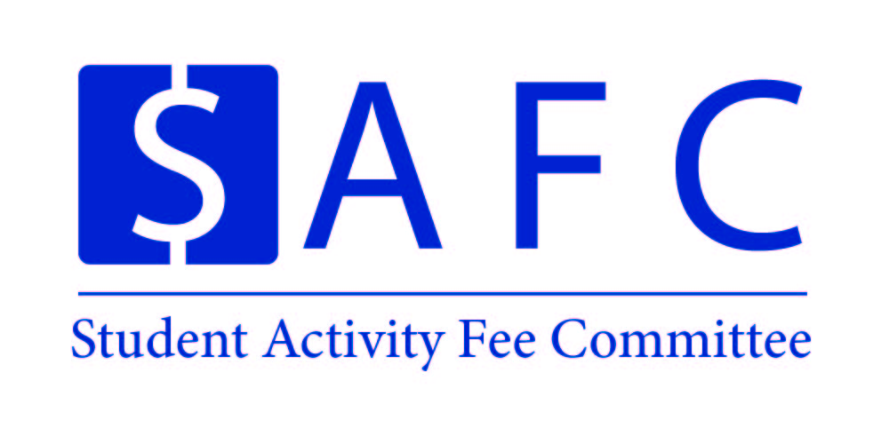 |  |  |  |  | Organization Name |  | Event Name
 |  |  |  |  | UNH SEDS |  | SpaceVision

 |  |  |  |  | Event Date: | November 7th | Location: |  | Tempe, AZ
 |  |  |  |  | Time: |  | PPR Due: |  | November 21st

Proposed Expenses |  |  |  |  | Amount | Amended Expenses |  |  |  |  | Amount
SpaceVision
Airplane Ticket |  |  |  |  | $8,432
Hotel Housing (3 Nights) |  |  |  |  | $2,175
Admission to the SEDS Conference |  |  |  |  | $1,795
Food and General Travel |  |  |  |  | $1,350
Expense Breakdown:
$421.60 per Round-Trip Flight per person
(20*$421.6 = $8,432)
$145.00 per room per night (5 Rooms 3 Nights)
($145*5*3=$2,175)
$85.00 entrance fee for the Entire Conference (20*$89.75 = $1,795)
$10 Meals (6 Meals) and $10 per car (5 Cars)
($10*6*20+$10*5*3=$1,350)

Additional Revenue Breakdown:
$2,175 from CEPS Deans Office for Housing
$100 per student from Department Heads of Mechanical, Electrical, and Computer Science
($100*20 = $2000)

Total Expenses |  |  |  |  | 13,752.00 | Total Expenses: |  |  |  |  | 0.00

Attendance: |  |  |  |  |  | Attendance:
Students | 20 | @ | $414 | = | $8,280 | Students | 0 | @ | $- | = | $-
Non-Students | - | @ | $- | = | $- | Non-Students | 0 | @ | $- | = | $-
Additional Revenue |  |  |  |  | $4,175 | Additional Revenue
Total Revenue |  |  |  |  | $12,455 | Total Revenue |  |  |  |  | $-

Total SAF Subsidy |  |  |  |  | $1,297 | Total SAF Subsidy |  |  |  |  | $-
Cost Per Student |  |  |  |  | $65 | Cost Per Student |  |  |  |  | #DIV/0!
Organization/Event Information
Primary Contact: | Charlie Nitschelm |  |  |  |  | Secondary Contact: | Ross Thyne
Email: | cjn1012@wildcats.unh.edu |  |  |  |  | Email: | rdt1002@wildcats.unh.edu
Notice: The Post-Programming Report for this event is due two weeks after the event has concluded, or until all receipts have come in. Please email SAF.CFO1@unh.edu or SAF.CFO2@unh.edu if you have any questions about the Proposal or PPR process.

